CV
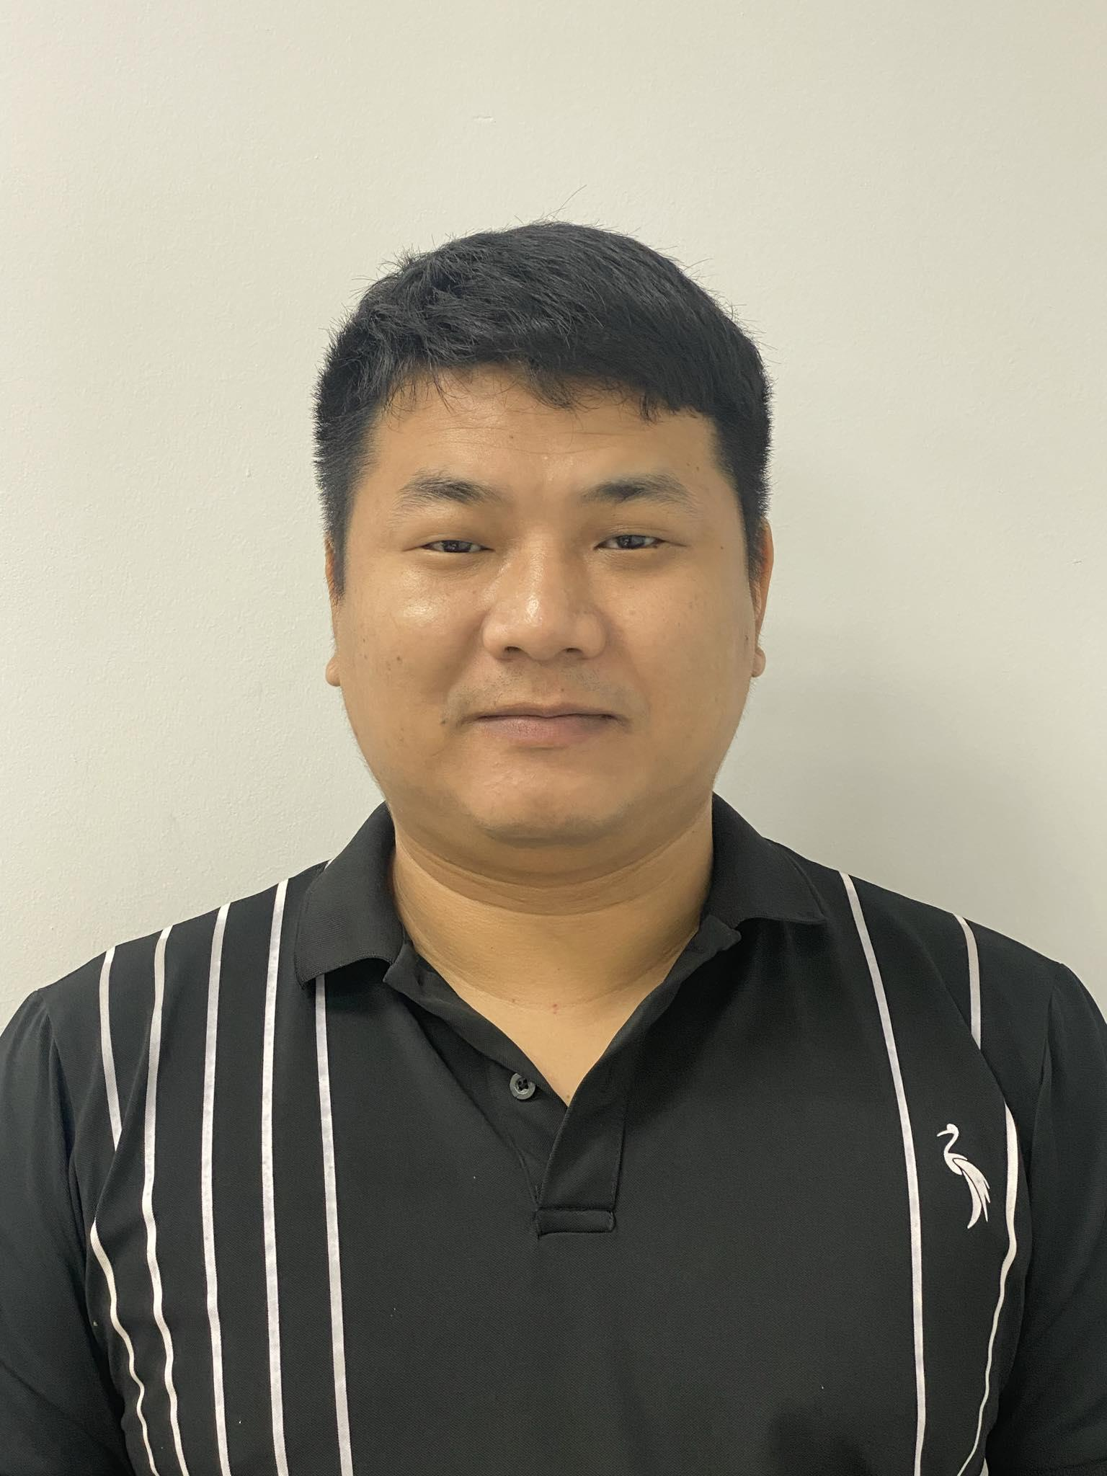
 | CURRICULUM VITAE
PERSONAL DETAIL
Name | Le Sy Quang
Nationality | Vietnamese
DOB | 24/02/1993
Sex | Male
Seniority | 7+ years

ABOUT
+ 4+ years of experience in Developer + 2+ years of experience in Marketing + Experience in Monitoring + Know how to use SQl + Supporting units to use the software after being deployed + Estimation Task, Receive issue, Raise issue to PM + Log bug and job management on Redmine

EDUCATIONAL BACKGROUND
2011-2016 |  | Hanoi University of Mining and Geology Major: Software Engineer

LANGUAGE
Vietnamese |  | Native
English |  | Basic

TECHNICAL SKILL
Domain |  | Web App Testing, Application Testing, Desktop App
Monitoring tool |  | Redmine
Automation/Orchestration tool |  | Postman
Database |  | SQL Server, My SQL, PostgreSQL

EXPERIENCE
FCCL (9/2023 - now)
Customer |  | Japanese Customer
Description |  | Monitoring system for Japanese Customer
Team Size |  | 10
My Position |  | Monitor
My Responsibilites |  | - Monitoring the fluency of the system - Doing daily task & task that required the correct date to execute - Log ticket on Redmine when problems occurs - Daily report
Technologies Used |  | - Redmine, MS Office, MS SQL

CÔNG TY CỔ PHẦN CÔNG NGHỆ VÀ DỊCH VỤ TINH HOA VIỆT
Customer |  | Vietnamese Customer
Description |  | Marketing Company
My Position |  | Developer
My Responsibilites |  | - Receive request from customers to design, edit website,... - Facebook ads - Support employee about marketing and the use of other programms in company
Technologies Used

Cty cổ phần Xuất nhập khẩu Miền Bắc (9/2017 - 02/2018)
Customer |  | Vietnamese Customer
Description |  | - Helpdesk
My Position |  | Developer
My Responsibilites |  | ・ IT Support ・Support downloading OS, hardware, software for employees ・Support, instruct employees with IT related problems ・Report on progress to PM
Technologies Used

Ha Noi Moi (11/2016 - 5/2017)
Customer |  | Vietnamese Customer
Description |  | Marketing Company
My Position |  | Employee
My Responsibilites |  | - Support employee about marketing and the use of other programms in company - Copywriter - Website Administrator - Content writer - Link Building
Technologies Used

SEO Marketing (02/2016 ~ 10/2016)
Customer |  | Vietnamese Customer
Description |  | Marketing Company
My Position |  | Employee
My Responsibilites |  | - Support employee about marketing and the use of other programms in company - Copywriter - Website Administrator - Content writer - Link Building
Technologies Used

I declare that the above information is accurate.

